1.Architechture
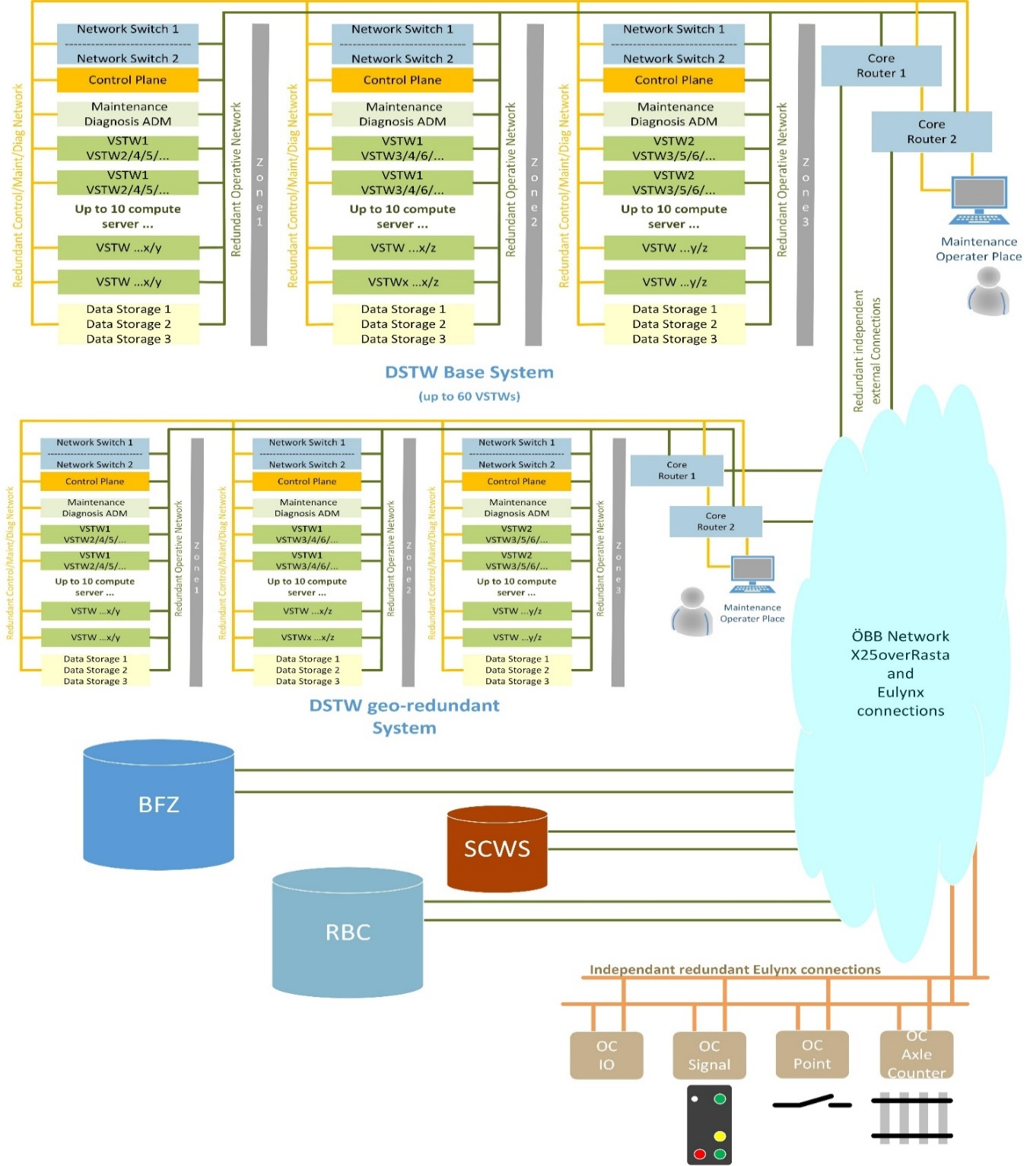
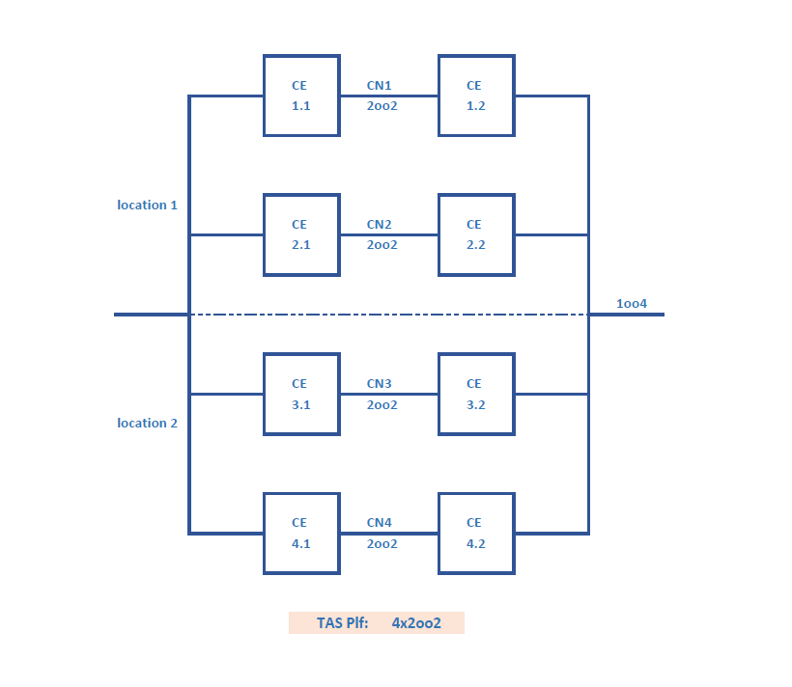

The characteristics of hot stand-by and warm stand-by are as follows:

Hot stand-by
A single fault can be tolerated without any impact on operational availability. The switchover between redundant components is fully transparent and enables this way a high availability as well as a high reliability (MTBF) of the system.

Warm stand-by
A single fault can be tolerated, but there is typically a small impact on operational availability. Contrary to a cold stand-by mode, hardware is in power on state but a switchover to the redundant component is not fully transparent as operational processes on the redundant component may need to be started. Since there is an operational impact the reliability is essentially the same as that of a non-redundant system. But the downtime is significantly smaller than in cold stand-by resulting in high availability figures.

4.1 Calculations 2x(2oo2)
 |  |  | DSTW |  |  |  | MTTR | Availability [%] | Unavailability
 |  | DSTW Logical Equations 2x(2oo2) | FiT | MTBF [h] | MTBF [y] | Failure year [%] |  | PA
 |  |  | GB 40 °C |  |  |  |  |  | 1-PA | h/y | min/y | sec/y
 |  | Location 1
 |  | CN1Master = (CE.1.1 + CE1.2 + ControlServer)2oo2 | 21,175 | 47,226 | 5.4 | 16.9 | 1h | 99.9978825 | 2.12E-05 | 0.19 | 11.13 | 667.8
 |  | CE1.1 = (1*ComputeServer + 1*StorageServer)Master | 8,470 | 118,064 | 13 | 7.2 | 1h | 99.9991530 | 8.47E-06 | 0.07 | 4.45 | 267.1
 |  | CE1.2 = (1*ComputeServer + 1*StorageServer)Master | 8,470 | 118,064 | 13 | 7.2 | 1h | 99.9991530 | 8.47E-06 | 0.07 | 4.45 | 267.1

 |  | CN2Slave = (CE.2.1 + CE2.2 + ControlServer)2oo2 | 1,059 | 944,510 | 108 | 0.9 | 1h | 99.9998941 | 1.06E-06 | 0.01 | 0.56 | 33.4
 |  | CE2.1 = (1*ComputeServer + 1*StorageServer)Slave | 424 | 2,361,275 | 270 | 0.4 | 1h | 99.9999577 | 4.23E-07 | 0.00 | 0.22 | 13.4
 |  | CE2.2 = (1*ComputeServer + 1*StorageServer)Slave | 424 | 2,361,275 | 270 | 0.4 | 1h | 99.9999577 | 4.23E-07 | 0.00 | 0.22 | 13.4
 |  | Network = 3*(Switch1oo2) | 4 | 224,836,620 | 25,666 | 0.0 | 8h | 99.9999964 | 3.56E-08 | 0.0 | 0.02 | 1.1
 |  | Core_Router = Router1oo2 | 1 | 674,509,860 | 76,999 | 0.0 | 8h | 99.9999988 | 1.19E-08 | 0.0 | 0.01 | 0.4

 |  | 1 Teilsystem: (1 Zelle, 8 VSTW, 4 Server)
 |  | CN1+CN21oo2_hot + Network - MTTR = 2min | 4.449 | 224,761,091 | 25,658 | 0.0 | 2min | 0.9999999999 | 1.48E-10 | 0.0 | 0.0 | 4.68E-03
 |  | CN1+CN21oo2_hot + Network - MTTR = 5min | 4.451 | 224,647,893 | 25,645 | 0.0 | 5min | 99.9999999629 | 3.71E-10 | 0.0 | 0.0 | 1.17E-02
 |  | CN1+CN21oo2_hot + Network - MTTR = 10min | 4.455 | 224,459,482 | 25,623 | 0.0 | 10min | 99.9999999257 | 7.43E-10 | 0.0 | 0.0 | 2.34E-02
 |  | CN1+CN21oo2_hot + Network - MTTR = 1h | 4.493 | 222,592,611 | 25,410 | 0.0 | 1h | 99.9999995507 | 4.49E-09 | 0.0 | 0.0 | 1.42E-01
 |  | 7 Teilsysteme: (7 Zellen, 56 VSTW, 28 Server) |  |  |  |  |  |  |  |  |  |  | Maximalausbau mit 2 Servern als Spare
 |  | CN1+CN21oo2_hot + Network - MTTR = 2min *7 | 31.14 | 32,108,734 | 3,665 | 0.03 | 2min | 0.9999999990 | 1.04E-09 | 0.0 | 0.0 | 3.27E-02
 |  | CN1+CN21oo2_hot + Network - MTTR = 5min *7 | 31.16 | 32,092,561 | 3,664 | 0.03 | 5min | 0.9999999974 | 2.60E-09 | 0.0 | 0.0 | 8.19E-02
 |  | CN1+CN21oo2_hot + Network - MTTR = 10min *7 | 31.19 | 32,065,636 | 3,660 | 0.03 | 10min | 0.9999999948 | 5.20E-09 | 0.0 | 0.0 | 1.64E-01
 |  | CN1+CN21oo2_hot + Network - MTTR = 1h *7 | 31.45 | 31,798,943 | 3,630 | 0.03 | 1h | 0.9999999686 | 3.14E-08 | 0.0 | 0.0 | 9.92E-01

 |  | Location 1 - Georedundanz - 1 Teilsystem | 22,240

 |  | Location 2
 |  | CN3Slave = (CE.3.1 + CE3.2 + ControlServer)2oo2 | 1,059 | 944,510 | 107.8 | 0.9 | 1h | 99.9998941 | 1.06E-06 | 0.01 | 0.56 | 33.4
 |  | CE3.1 = (1*ComputeServer + 1*StorageServer)Slave | 424 | 2,361,275 | 270 | 0.4 | 1h | 99.9999577 | 4.23E-07 | 0.00 | 0.22 | 13.4
 |  | CE3.2 = (1*ComputeServer + 1*StorageServer)Slave | 424 | 2,361,275 | 270 | 0.4 | 1h | 99.9999577 | 4.23E-07 | 0.00 | 0.22 | 13.4

 |  | CN4Slave = (CE.4.1 + CE4.2 + ControlServer)2oo2 | 1,059 | 944,510 | 108 | 0.9 | 1h | 99.9998941 | 1.06E-06 | 0.01 | 0.56 | 33.4
 |  | CE4.1 = (1*ComputeServer + 1*StorageServer)Slave | 424 | 2,361,275 | 270 | 0.4 | 1h | 99.9999577 | 4.23E-07 | 0.00 | 0.22 | 13.4
 |  | CE4.2 = (1*ComputeServer + 1*StorageServer)Slave | 424 | 2,361,275 | 270 | 0.4 | 1h | 99.9999577 | 4.23E-07 | 0.00 | 0.22 | 13.4

 |  | Network = 3*( Switch1oo2) | 4 | 224,836,620 | 25,666 | 0.0 | 8h | 99.9999964 | 3.56E-08 | 0.0 | 0.02 | 1.1
 |  | Core_Router = Router1oo2 | 1 | 674,509,860 | 76,999 | 0.0 | 8h | 99.9999988 | 1.19E-08 | 0.0 | 0.01 | 0.4

 |  | 1 Teilsystem: (1 Zelle, 8 VSTW, 4 Server)
 |  | CN1+CN21oo2_hot + Network - MTTR = 2min | 4.448 | 224,832,842 | 25,666 | 0.0 | 2min | 99.9999999852 | 1.48E-10 | 0.0 | 0.0 | 4.68E-03
 |  | CN1+CN21oo2_hot + Network - MTTR = 5min | 4.448 | 224,827,176 | 25,665 | 0.0 | 5min | 99.9999999629 | 3.71E-10 | 0.0 | 0.0 | 1.17E-02
 |  | CN1+CN21oo2_hot + Network - MTTR = 10min | 4.448 | 224,817,733 | 25,664 | 0.0 | 10min | 99.9999999259 | 7.41E-10 | 0.0 | 0.0 | 2.34E-02
 |  | CN3+CN41oo2_hot + Network - MTTR = 1h | 4.450 | 224,723,346 | 25,653 | 0.0 | 1h | 99.9999995550 | 4.45E-09 | 0.0 | 0.0 | 1.40E-01
 |  | 7 Teilsysteme: (7 Zellen, 56 VSTW, 28 Server) |  |  |  |  |  |  |  |  |  |  | Maximalausbau mit 2 Servern als Spare
 |  | CN1+CN21oo2_hot + Network - MTTR = 2min *7 | 31.1 | 32,118,977 | 3,667 | 0.03 | 2min | 0.9999999990 | 1.04E-09 | 0.0 | 0.0 | 3.27E-02
 |  | CN1+CN21oo2_hot + Network - MTTR = 5min *7 | 31.1 | 32,118,169 | 3,666 | 0.03 | 5min | 0.9999999974 | 2.59E-09 | 0.0 | 0.0 | 8.18E-02
 |  | CN1+CN21oo2_hot + Network - MTTR = 10min *7 | 31.1 | 32,116,817 | 3,666 | 0.03 | 10min | 0.9999999948 | 5.19E-09 | 0.0 | 0.0 | 1.64E-01
 |  | CN3+CN41oo2_hot + Network - MTTR = 1h *7 | 31.1 | 32,103,334 | 3,665 | 0.03 | 1h | 0.9999999689 | 3.11E-08 | 0.0 | 0.0 | 9.82E-01

 |  | Location 2 - Georedundanz - 1 Teilsystem | 2,123

 |  | Georedundancy
 |  | (Location1+Location2)1oo2 - 1 Teilsystem | 0.09 | 10,587,744,914 | 1,208,647 | 0.0 | 1h | 99.9999999906 | 9.44E-11 | 0.0 | 0.0 | 0.0030
 |  |  | 0.02 | 42,350,979,658 | 4,834,587 | 0.0 | 15min | 99.9999999994 | 5.90E-12 | 0.0 | 0.0 | 0.0002
 |  | (Location1+Location2)1oo2 - 7 Teilsysteme | 0.7 | 1,512,535,573 | 172,664 | 0.00 | 1h | 0.9999999993 | 6.61E-10 | 0.0 | 0.0 | 0.0208
 |  |  | 0.0 | 24,200,540,730 | 2,762,619 | 0.00 | 15min | 1.0000000000 | 4.13E-11 | 0.0 | 0.0 | 0.0013

 |  | EL4-DIL-SSS-REQ-00307
 |  | The network availability of a [DIL] location shall be at least 99.999 9%. |  |  |  |  |  | 0.9999990000 | 1.00E-06 | 0.0 | 0.5 | 31.5360

 | Site 1 | Network = 3*(Switch1oo2) | 4 | 224,836,620 | 25,666 | 0.0 | 8h | 99.9999964 | 3.56E-08 | 0.0 | 0.02 | 1.1
 |  | Core_Router = Router1oo2 | 1 | 674,509,860 | 76,999 | 0.0 | 8h | 99.9999988 | 1.19E-08 | 0.0 | 0.01 | 0.4
 |  | Total | 6 | 168,627,465 | 19,250 | 0.0 | 8h | 99.9999953 | 4.74E-08 | 0.0 | 0.02 | 1.5

 | Site 2 | Network = 3*(Switch1oo2) | 4 | 224,836,620 | 25,666 | 0.0 | 8h | 99.9999964 | 3.56E-08 | 0.0 | 0.02 | 1.1
 |  | Core_Router = Router1oo2 | 1 | 674,509,860 | 76,999 | 0.0 | 8h | 99.9999988 | 1.19E-08 | 0.0 | 0.01 | 0.4
 |  | Total | 6 | 168,627,465 | 19,250 | 0.0 | 8h | 99.9999953 | 4.74E-08 | 0.0 | 0.02 | 1.5

 |  | Georedundant Connection | 11.86 | 84,313,733 | 9,625 | 0.0 | 8h | 99.9999905 | 9.49E-08 | 0.0 | 0.05 | 2.99
 |  |  | 11.98 | 83,478,943 | 9,530 | 0.0 | 8h | 99.9999904 | 9.58E-08 | 0.0 | 0.05 | 3.02 | Beta = 1%
 |  |  | 13.05 | 76,648,848 | 8,750 | 0.0 | 8h | 99.9999896 | 1.04E-07 | 0.0 | 0.05 | 3.29 | Beta = 10%

 | 2026-03-18
 |  | Split Brain = 2 links between Sites, both are down at the same time.

 |  | 1) We take IPS Availability as basis | REQ-01480: Availability — IPS — Overall: The IPS shall have a class 1 overall availability of at least 99.999%
 |  | An Availability of 99.999% leads to an Unavailability of: | 0.00001

 |  | 2) Internal Network Availability = 99.999 9%
 |  | REQ-00307: The network availability of a DIL location shall be at least 99.9999%
 |  | only for the internal network at one site, leads to Unavailability of: | 0.000001

 |  | 3) CCF considerations:
 |  | The two geo‑links run along physically separate cable routes, but both are operated by ÖBB. This results in a common organisational failure mode (CCF). In accordance with IEC 61508‑6 Annex D, a CCF factor β is assessed.
 |  | β = 0.02

 |  | 4) Allocation to IPS Unavailability
 |  | Unavailability-Budget of IPS (U_IPS =1E-05) | 0.00001
 |  | The geo‑link double failure (split‑brain) is one of several failure modes and a share of α = 10% is assigned to the geo‑link dual failure." (very conservative estimation)
 |  | P_Split-Brain = α × U_IPS = 0,10 × 1×1E-05 = 1×1E-06 | 0.000001

 |  | 5) Availability estimation of geo-link
 |  | P_Split-Brain = 1E-06 and β = 0.02
 |  | β = | 0.02
 |  | U_Link ≤ 1*1E-06 / 0.02 = 5E-05 | 0.00005
 |  | A_Link ≥ 1 - 5E-05 = 0.99995 = 99.995% = Class 2 Availability | 0.99995 | 0.00005 | 26.28

 |  |  | Availability | Unavailability | min/year | Info
 |  | U_IPS | 99.999 | 0.00001 | 5.26 | IPS can fail in total
 |  | U_Link | 99.995 | 0.00005 | 26.28 | One link can fail
 |  | P_SplitBrain | 99.9999 | 0.000001 | 0.53 | Both links fail

 |  | β factor of 0.02 states that: only 2% of link failures will affect the second link at the same time → all other 98% affect only one link = no Split Brain
 |  | 1E-06 * 8760h/year = 0.00876h/year ≈ 31.5 sec/year
 |  | IPS Unavailability budget = 5.26 min/year → we allocate α = 10% to the Split Brain failure.
 |  | P_Split-Brain = 0.10 * 5.26min = 31.5 sec/year | 0.526
 |  | The IPS unavailability budget is U_IPS = 10⁻⁵ (equivalent to 5.26 minutes per year).
 |  | The split‑brain exposure for one line: A_Link = 99.995% amounts to 31 seconds per year — which corresponds to approximately 10% of the IPS budget.

 |  | Double Fault
 |  | Assumtion we have two Core Routers in 1oo2 hot_redundant configuration | FiT | MTBFh | MTBFy
 |  | FiT= | 10,000 | 100,000 | 11.4
 |  | FiT1oo2= | 1.6

 |  | λsys​=2λ2⋅MTTR
FiT | 10000
λ | 1E-05
λ^2 | 1E-10 | P(A und B) = P(A) × P(B)
 | 2.0E-10 | Faktor 2 — zwei mögliche Reihenfolgen: A-dann-B oder B-dann-A |  |  |  |  |  | MTTR h | λsys | MTBF h | MTBF y | Availability | Unavailability | min/year
 | 8E-10 | MTTR = | 4 | Only in this time Double Fault can happen |  |  |  | 1 | 0.20 | 5.00E+09 | 570,776 | 0.9999999998 | 2.00E-10 | 0.0001
λsys | 0.8 | Back to FiT |  |  |  |  |  | 4 | 0.80 | 1.25E+09 | 142,694 | 0.9999999968 | 3.20E-09 | 0.0017
 |  |  |  |  |  |  |  | 8 | 1.60 | 6.25E+08 | 71,347 | 0.9999999872 | 1.28E-08 | 0.0067
 |  |  |  |  |  |  |  | 12 | 2.40 | 4.17E+08 | 47,565 | 0.9999999712 | 2.88E-08 | 0.0151
 |  |  |  |  |  |  |  | 24 | 4.80 | 2.08E+08 | 23,782 | 0.9999998848 | 1.15E-07 | 0.0605
 |  | double‑failure occurs when one router fails, and before it is repaired (within MTTR), the second router fails independently |  |  |  |  |  | 72 | 14.40 | 6.94E+07 | 7,927 | 0.9999989632 | 1.04E-06 | 0.5449
 |  | modeled by using this formula: λsys​=2λ2⋅MTTR
 |  | Depending on the MTTR (1h-72h), the system failure rate λsys remains reasonable low, confirming that a double failure is not a dominant contributor to overall system risk.

 |  | CCF Router failure
 |  | β = 0.02 | 200

 |  | With a conservative β = 0.02 and 10,000 FIT per router, the CCF path contributes 200 FIT, which outweighs the double‑failure contribution by orders of magnitude.
 |  | This indicates that the overall system failure rate is primarily dominated by CCF events, not by independent double failures during the repair window

46222 | Split Brain, Double Fault ToR SW - Core Router

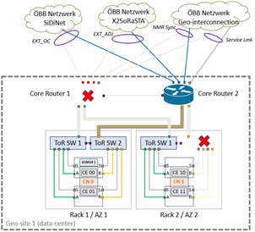

 |  |  |  |  | λ | FiT | MTBFh | MTBFy
 |  |  |  | Core Router | 9.6E-06 | 9626 | 103,885 | 11.9
 |  |  |  | ToR Switch Nokia 7250 | 7.0E-06 | 7000 | 142,857 | 16.3

 |  |  |  |  | MTTR 2h | MTTR 4h
 |  |  |  | U_ToR = λ_ToR · MTTR | 1.40E-05 | 2.80E-05
 |  |  |  | U_CR = λ_CR · MTTR | 1.93E-05 | 3.85E-05
 |  |  |  | P per critical combination = U_CR × U_ToR | 2.70E-10 | 1.1E-09
 |  |  |  | P total — 6 combinations | 1.6E-09 | 6.5E-09
 |  |  |  | Exposure in partitioned state per year in sec | 0.0510 | 0.2040
 |  |  |  |  | 1.42E-05 | 5.67E-05
 |  |  |  | Frequency of occurrence (all combinations) years | 70,590 | 17,647

